Graphs
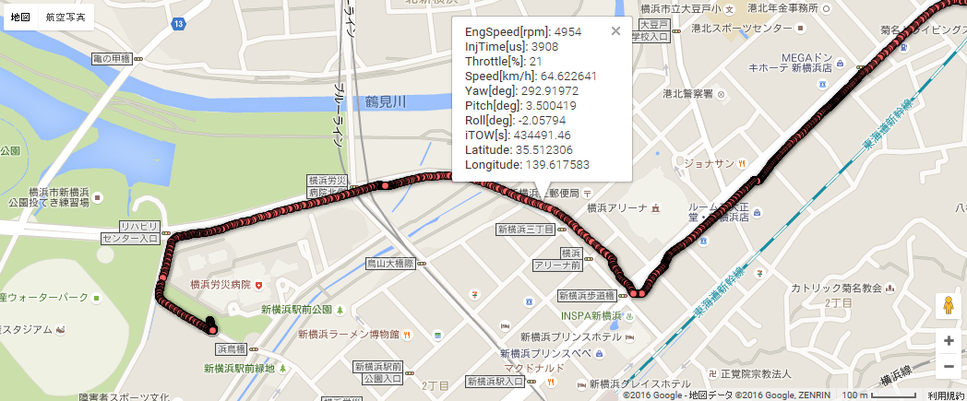
 | EngSpeed[rpm]
 | 4953
 | 4954
 | 4986
 | 4962
 | 4967
 | 4985
 | 5012
 | 5028
 | 5033
 | 5053
 | 5128
 | 5129
 | 5139
 | 5173
 | 5179
 | 5182
 | 5207
 | 5294
 | 5293
 | 5299
 | 5322
 | 5399
 | 5434
 | 5474
 | 5483
 | 5517
 | 5593
 | 5595
 | 5633
 | 5762
 | 5829
 | 5912
 | 5961
 | 6126
 | 6240
 | 6335
 | 6379
 | 6527
 | 6609
 | 6717
 | 6717
 | 6720
 | 6720
 | 6720
 | 6720
 | 6720
 | 6720
 | 6217
 | 6212
 | 6195
...

Start point

 | Roll[deg]
 | -1.154564
 | -2.05794
 | -2.692482
 | -1.71297
 | -1.654344
 | -1.080246
 | 0.655595
 | -0.51899
 | -0.302145
 | 1.400722
 | -1.953828
 | -1.822947
 | -1.59211
 | 0.371165
 | -0.452134
 | -0.533202
 | -1.146419
 | -6.015197
 | -4.626173
 | 3.846025
 | 2.262541
 | 4.380472
 | 3.057938
 | 4.248011
 | -0.669444
 | -1.963621
 | -2.87831
 | -3.304726
 | 3.517577
 | 1.553654
 | 1.940672
 | 0.573442
 | -0.531808
 | -1.193626
 | -0.580352
 | 0.45122
 | 2.718557
 | 1.694849
 | 1.131124
 | 1.117504
 | 8.970796
 | 9.690846
 | 10.019701
 | 10.566088
 | 9.966584
 | 7.374689
 | 8.548323
 | 8.428896
 | 8.552462
 | 6.570058
...

End point

 | Speed[km/h]
 | 70.177627
 | 64.622641
 | 62.20743
 | 59.780142
 | 58.10157
 | 57.71091
 | 57.541058
 | 57.371205
 | 57.252309
 | 58.53967
 | 59.099392
 | 59.659115
 | 60.05092
 | 59.525295
 | 59.296762
 | 59.067086
 | 58.908256
 | 58.886072
 | 58.876378
 | 58.866733
 | 58.860029
 | 58.77622
 | 58.739782
 | 58.703161
 | 58.677836
 | 58.357229
 | 58.217835
 | 58.078441
 | 57.980865
 | 60.13504
 | 61.071638
 | 62.008236
 | 62.663855
 | 65.466826
 | 66.685509
 | 67.910285
 | 68.75727
 | 69.488172
 | 69.807545
 | 70.125328
 | 70.346188
 | 68.62932
 | 67.879124
 | 67.132659
 | 66.613867
 | 64.984382
 | 64.275911
 | 63.56744
 | 63.07151
 | 62.906324
...
 | Yaw[deg]
 | 293.071022
 | 292.91972
 | 292.803367
 | 292.656013
 | 289.413016
 | 289.583251
 | 289.460697
 | 289.493148
 | 287.11641
 | 286.625777
 | 286.536459
 | 286.483982
 | 286.851693
 | 286.85157
 | 286.436642
 | 286.149835
 | 286.364215
 | 286.304703
 | 286.566327
 | 287.368643
 | 288.723651
 | 288.670034
 | 288.656059
 | 288.841725
 | 289.806599
 | 290.008759
 | 290.071952
 | 289.622552
 | 288.175678
 | 287.762431
 | 287.176926
 | 286.514172
 | 285.863985
 | 284.957249
 | 283.964248
 | 283.637143
 | 284.003351
 | 283.551773
 | 283.355808
 | 282.783533
 | 281.109356
 | 279.651943
 | 278.475217
 | 277.567334
 | 275.905451
 | 275.460942
 | 274.281771
 | 273.594243
 | 272.685739
 | 272.015375
...

 | Throttle[%]
 | 21
 | 21
 | 21
 | 21
 | 21
 | 22
 | 23
 | 23
 | 24
 | 25
 | 26
 | 26
 | 27
 | 28
 | 30
 | 30
 | 30
 | 31
 | 30
 | 31
 | 31
 | 31
 | 31
 | 31
 | 32
 | 36
 | 38
 | 39
 | 40
 | 44
 | 45
 | 45
 | 45
 | 45
 | 45
 | 44
 | 46
 | 50
 | 53
 | 54
 | 42
 | 1
 | 1
 | 1
 | 1
 | 1
 | 1
 | 2
 | 2
 | 1
...
 | Pitch[deg]
 | 3.344526
 | 3.500419
 | 4.539416
 | 3.922562
 | 4.025523
 | 3.953848
 | 2.993691
 | 3.24454
 | 2.708485
 | 2.702592
 | 3.540603
 | 4.100846
 | 4.689444
 | 4.855274
 | 6.122126
 | 4.980208
 | 11.747599
 | 9.43744
 | 6.884301
 | 4.971263
 | 2.975085
 | 2.756476
 | 3.459544
 | 3.719557
 | 2.260673
 | 2.719713
 | 1.308708
 | 0.436993
 | -0.421972
 | -0.889571
 | -1.252813
 | -0.191053
 | 4.230601
 | 3.809353
 | 4.972274
 | 5.076853
 | 4.426096
 | 3.664762
 | 3.289456
 | 3.066601
 | -3.268014
 | -2.23952
 | -2.132216
 | -3.049776
 | -6.765004
 | -8.193597
 | -10.140382
 | -11.360043
 | -12.447745
 | -10.110792
...

